Tabelle1
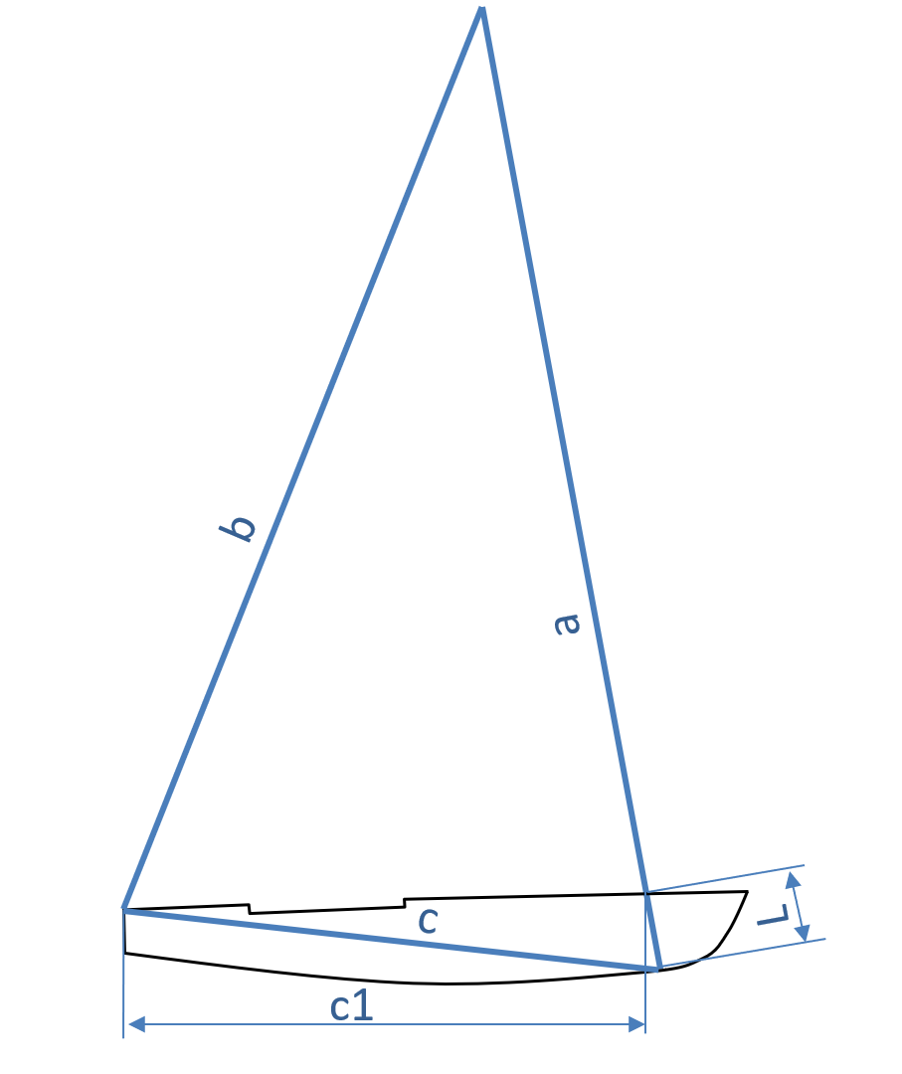
INPUT
Deck to base | L |  | mm
Total mast lenght | a |  | mm |  | 0 | 0 | 0
Initial rake | b |  | mm |  | 0 | 2500 | 10000
Transom corner to pivot point *) | c |  | mm |  | 0 | 0 | 0
RESULTS
Maximum eccentricity for 50mm rake differential | E | #DIV/0! | mm | Rake (b) +50mm | Rake | Rake+50 | Rake + 100
Maximum gap in adjuster deck plates for 100mm rake differential | P | #DIV/0! | mm | Rake (b) +100mm | #DIV/0! | #DIV/0! | #DIV/0!
 |  |  |  |  | #DIV/0! | #DIV/0! | #DIV/0!
 |  |  |  |  |  | #DIV/0! | #DIV/0!
*) Roughly c1 + 140mm

